Caculation formula of PV array
PUMP INVERTER PV ARRAY CALCULATOR
Note：Customers just only key in parameter input in RED ZONE, and recommended PV array setup will show in BLUE ZONE automaticly

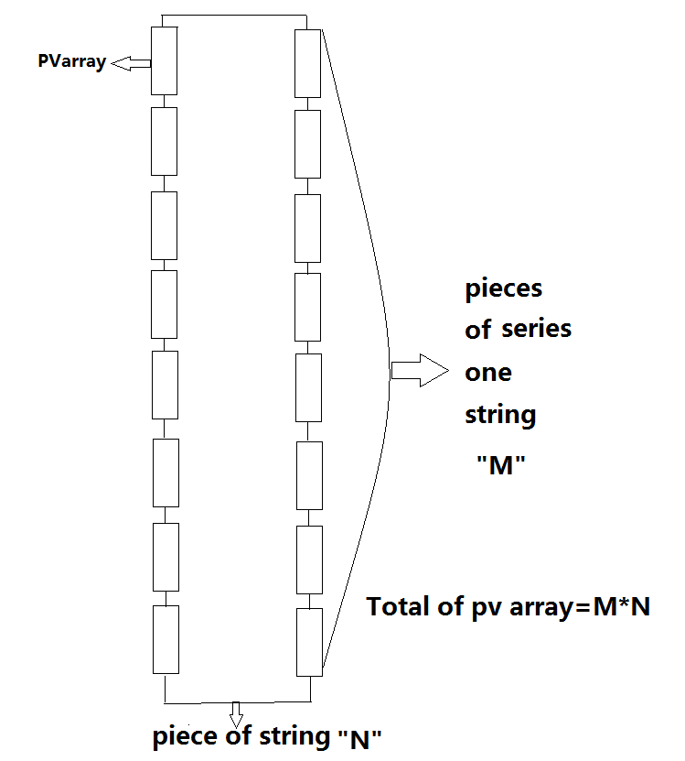
Known parameter: | Parameter input | Remark
Rated output power of ASPIRE(water pump) | 7500 | unit W（values 2200/7500/11000）
Nominal voltage of water pump | 380 | unit V（values 380/400/415/440）
PV array maximun power point voltage(Vmp) | 37.6 | unit V
PV array maximun power point current(Imp) | 12 | unit A
PV array open circuit voltage(Voc) | 46 | unit V
PV array short-circuit current(Isc) | 10.5 | unit A
PV array rated power | 315 | unit W

valuation:
Pieces of string(N) | 1.4089693108
Pieces of series in one string(M) | 14.90212766 | 17.391304348

Result:
Number of Parallel strings (N) | 2
Number of Panels in series per string, Min value to Max value(M) | 15 | 17
PV array total power range(unit W) | 9450 | 10710

